Guidelines
Guiding principles

 | Overview | 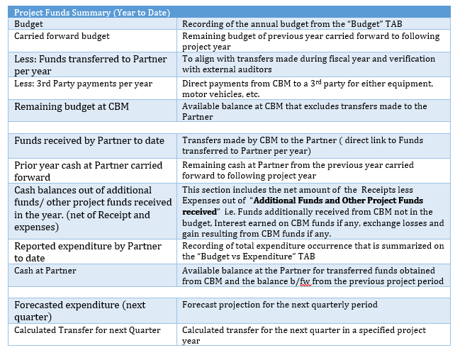
1
2 | Budget | This tool allows the Partner and the Country Office to plan for funds for a set purpose over a given period of time. Budgeting is done on result (max 5 results) and activity (5 activities per result) level. This tool is used for preparing budgets for partner projects and only includes costs that will occur at the partner. All costs that will be incurred by the Country Office will be planned for separately. The budget template needs to show the budget as approved in the PPA for all years. Inflation should be factored into budget planning at plausible levels (exaggerated inflation rates will not be accepted). Please check the local source of information e.g Central bank rates,IMF etc . The headers of this tool contains the following information Project Country: Project ID and Name: These are the project code and Project Name Planning Currency: Planning currency is defined as the currency in which the partner applies for funding. In general local currency should be used. Exchange Rate:-Value of the planning currency for the purpose of conversion to another. Result/Activities: These are codes for project activities Description Total Budget Year 1 (20XX)-Total budget for year 1 Total Budget Year 2 (20XX)-Total budget for year 2 Total Budget Year 3 (20XX)-Total budget for year 3 Total Budget Year 4 (20XX)-Total budget for year 4 Total Budget Year 5 (20XX)-Total budget for year 5 MYP Total-Sum total of the budget for all the years planned
 |  | Additional Funds and Other Project Funds Received The purposes of this section is to record the detailed information of the “Source of Funds” obtained by entering, as follows; - additionally received CBM funds (if any), - interest earned on received CBM funds (if any) and - exchange rate losses and gains resulting from CBM funds (if any). Including total expenditures in current year contributing to the abovementioned income, not covered in the Budget vs Expenditure, etc. *It is advisable for the Partner to maintain records for clarification purposes (and provide reasons) in the event of a monitoring visit, compliance or internal audit verification.
3 | Transfers of Funds | Following the funds transferred in current reporting year, this section gives an overview of CBM funds transferred and confirmed by the project partner. Data in yellow coloured cells are filled based on the Acknowledgement of Receipt document provided by the partner to that acknowledges CBM funds: Date of transfer: CBM date when funds have been proceeded for transfer Transfer amount: Amount transferred by CBM to the Project Partner Transfer currency: Currency in which the transfer was done >>> if empty = EURO! Date of Receipt: funds received on project partner’s bank account (as per the value date of the bank statement) Gross amount confirmed in local currency: GROSS amount received before deduction of bank charge! Local currency: Currency code of confirmation currency Bank charge: Bank charges the project partners’ bank account was charged with for the CBM transfer (given as information within this worksheet) General information: Bank charges have to be registered as costs within the respective List of Expenditures and are not to be booked as reduced income within partner’s accounts! Data in white cells are CBM transfer data and based on CBM’s system: What needs to be done by the project partner? • Inform CBM if transfers are missing or not correctly listed • Check the given confirmation data and correct if necessary • Fill in the signature part • Print checked and finalized template and get it signed (before print out: double check print preview - if necessary adjust page setup for a proper print out!)
4 | Project Budget Vs Expenditure | The worksheet contains formulas and is therefore protected. This should not be overwritten. The header of this worksheet contains the following pre-filled project general information: - Partner Name - Project ID - Project Name - Project Duration - Reporting Period (12 month) - Reporting Currency General Information: CBM’s general Reporting Year is 1st of January to 31st of December. All quarters within a respective year will be recorded on an annual LoE (List of Expenditure) accordingly. The report shows a summary of the project’s actual MYP (Multi-Year Project) budget, the total MYP expenditure year to date and the remaining MYP budget. It also gives an overview of the percentage of the MYP budget spent. The column "Result/Activity" and "Budget Description" are linked to the Budget spreadsheet which has the position numbers and the activities to be implemented as planned.
 |  | The other columns:
 |  | "Actual MYP Budget" shows CBM approved budget for the MYP reporting year and is completed at the Country Office level
 |  | "Total Expenditure (MYP)" filled in automatically, reflects accumulated expenditure data entered (by partner) as per List of Expenditure (LoE) in the different TABS Year 1 to 5.
 |  | "Remaining MYP Budget" filled in automatically, represents the balance on the MYP budget
 |  | "Comments": this is the only yellow section in the Budget Vs Expenditure sheet where the partner is required to explain or enter any useful comment on deviation in the budget implementation
 |  | Flexibility on deviation: The partner has the possibility to overspend up to 10% on an activity whithout prior approval from CBM if this is done within the same result. The partner will then provide good justification/explanation of the deviation in the "Comment" section. However, in case the deviation is above 10%, the partner has to get CBM approval first before proceeding.
5 | List of Expenditure | List of Expenditure lists (Year 1 – 5) • The List of Expenditure are the entry points for the project expenditure the partner has to report on • The List of Expenditure are as a standard not protected due to the collapse/expanding option, but it contains formulas in Column B, I and K (please do not overwrite these formulas). Please only fill in the yellow cells and do not add manual rows! If more lines are needed unhide row 501-3000. • For each year, there is a separate List of Expenditure. The headers of the voucher lists contains similar details as the Budget vs Expenditure TAB, but is divided in reporting years 1 to 5 The headings serve as a guideline for recording purposes, as follows;
 |  | 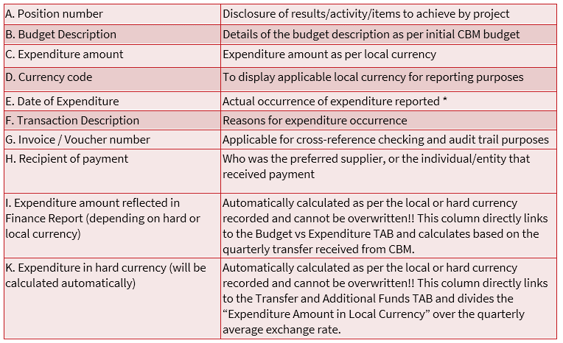

6 | Request of Funds | The Request of funds (RoF) TAB is an integrated part of the Finance Report and directly linked to embedded formulas, etc. • Funds are requested as per Calculated Transfer (Overview TAB) and the amount is requested from CBM for future quarter disbursement. • Responsibility rest on Partners to double check (and adjust if necessary) all given data, incl. the bank account and account holder (which are pre-filled). • Kindly print the RoF for signature purposes by the Head of Project. The signed RoF is a legal document for CBM which will be audited and which therefore needs to be clearly readable!!! The partner needs to send both, the Finance Reporting Tool and a scanned & signed RoF to the Country Office (the Shared Services Centre will proceed with the release of funds by the time they have received the final and signed RoF from the partner, together with the corresponding Finance Reporting Tool for uploading in the system). • If from Shared Services Centre point of view - corrections have to be made, Shared Services Centre will return the documents to the Country Office for the partner to rectify. In addition, the Acknowledgement of receipt of funds should be filled in by the recipient of the CBM project funds, as follows; Total amount in currency of bank account, Deduct bank charges (if applicable) and the amount net received should reflect. Very important to acknowledge the “Date of Receipt of Funds” that will agree with the Partner bank statement! No manual corrections on the signed RoF are allowed afterwards!!
 |  | *Tool to be utilised for free funds
 |  | *All grey cells contains formulas that cannot be overwritten; yellow cells requires input by the Partner

 | Project Period Selection

 | MYP | Period Selection - DD/MM/YY | Years
 | Year 1
 | Year 2
 | Year 3
 | Year 4
 | Year 5

